INSTRUCTIONS
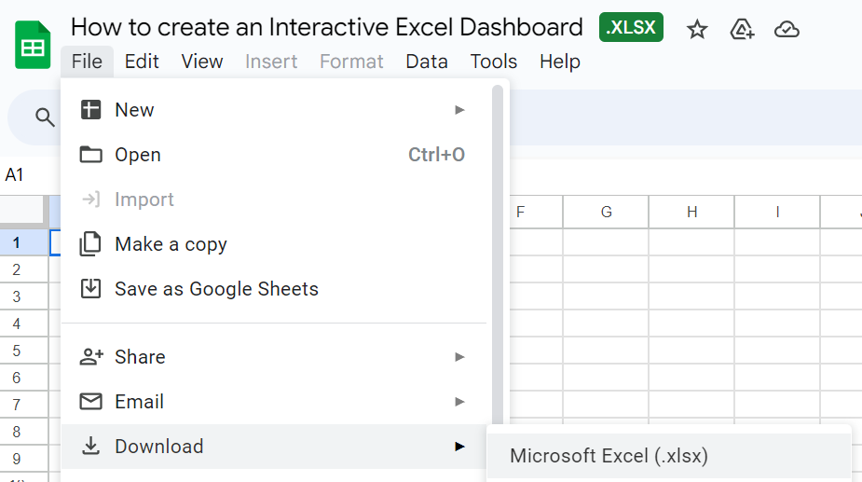
1. Click "File"
 | 1 | c

2. then Choose "Download"
to Microsoft Excel

DASHBOARD
Performance Dashboard

Profit Achieved | 92%
Profit Not Reached | 8%
Targets Units Sold | 89%
Target Units Not Sold | 11%
Sales
Sum of % Target Achieved_Salea | 93%
Sum of % Target Not Achieved_Salea | 7%
Profits
Units Sold
$8,568
$2,330
$2,142

Actual Vs Target Sales Per Month
Units Sold Per Month

 | Sum of Sales | Sum of Target_Sales
Jan | 300.4 | 396.6
Feb | 326.7 | 494.15
Mar | 253.2 | 363.05
Apr | 611.5 | 624.25
May | 587.65 | 619.9
Jun | 565.4 | 653.1
Jul | 755.8 | 837.8
Aug | 758.2 | 805.55
Sep | 775.4 | 868.95
Oct | 1170.55 | 1181.85
Nov | 1170.15 | 1186.75
Dec | 1293.35 | 1224.4
 | Total
Jan | 82
Feb | 88
Mar | 68
Apr | 166
May | 159
Jun | 152
Jul | 206
Aug | 208
Sep | 212
Oct | 319
Nov | 319
Dec | 351

Top 5 product

 | Total
Flat White | 379
Cold Brew | 382
White Mocha | 383
Spanish Latte | 403
Caramel Macchiato | 420

Pivot Tables
Row Labels | Sum of Sales | Sum of Target_Sales
Jan | 300.4 | 396.6 |  | Row Labels | Sum of Units Sold | Row Labels | Sum of Units Sold
Feb | 326.7 | 494.15 |  | Jan | 82 | Flat White | 379
Mar | 253.2 | 363.05 |  | Feb | 88 | Cold Brew | 382
Apr | 611.5 | 624.25 |  | Mar | 68 | White Mocha | 383
May | 587.65 | 619.9 |  | Apr | 166 | Spanish Latte | 403
Jun | 565.4 | 653.1 |  | May | 159 | Caramel Macchiato | 420
Jul | 755.8 | 837.8 |  | Jun | 152 | Grand Total | 1967
Aug | 758.2 | 805.55 |  | Jul | 206
Sep | 775.4 | 868.95 |  | Aug | 208
Oct | 1170.55 | 1181.85 |  | Sep | 212
Nov | 1170.15 | 1186.75 |  | Oct | 319
Dec | 1293.35 | 1224.4 |  | Nov | 319
Grand Total | 8568.3 | 9256.35 |  | Dec | 351
 |  |  |  | Grand Total | 2330

 |  |  |  |  |  |  |  |  |  |  |  |  | 2142.075 | 8568.3 | 2330
Sum of Profit | Sum of Sales | Sum of Units Sold
2142.075 | 8568.3 | 2330

 |  | Sum of % Target Achieved_Sales | Sum of %Target Not Achieved_Sales |  |  |  |  | Sum of Profit | Sum of % Target Profit made | Sum of Target_Profit | Sum of % Target Profit not reached | Sum of Units Sold | Sum of Target_Units Sold | Sum of %Target Units Sold | Sum of %Target Not Sold Units
 |  | 93% | 7% |  |  |  |  | 2142.075 | 92% | 2317.2875 | 8% | 2330 | 2622 | 89% | 11%

 |  |  |  |  |  |  |  | Profit Achieved | 92%
 |  |  |  |  |  |  |  | Profit Not Reached | 8%
 |  |  |  |  |  |  |  |  |  |  |  | Targets Units Sold | 89%
 |  |  |  |  |  |  |  |  |  |  |  | Target Units Not Sold | 11%

 |  | Sum of % Target Achieved_Salea | 93%
 |  | Sum of % Target Not Achieved_Salea | 7%

